Plots
Operating Performance
Number of Employees
Normalized Number of Employees

Costs - YoY change
Employee Salary Cost - YoY change
Employee Numbers - YoY change

Normalized Number of Employees
Normalized Salary Cost per Employee (excl. contributions)
Salary Cost per Employee (excl. contributions)

Revenue Breakdown
Normalized Revenue Breakdown
Research Contributions Revenue Breakdown

Expenses Breakdown
Normalized Expenses Breakdown
Salary Expenses Breakdown
Other Operating Expenses Breakdown

Revenue Change
Expenses Change

Salary Expenses Breakdown
Salary Cost Change

Salary Cost Change per Employee (2014-2022)

Normalized Number of Employees
Normalized Number of Employees
Scientific / Admin Personnel ratio

Breakdown of Admin Employees
Breakdown of Admin Employees
Breakdown of Admin Employees (Normalized)

EPFL Normalized Number of Employees and Students (2014 = 100)
Number of Employees and Students

IC: Normalized Number of Employees and Students (2014 = 100)
IC: Number of Employees and Students

Sources
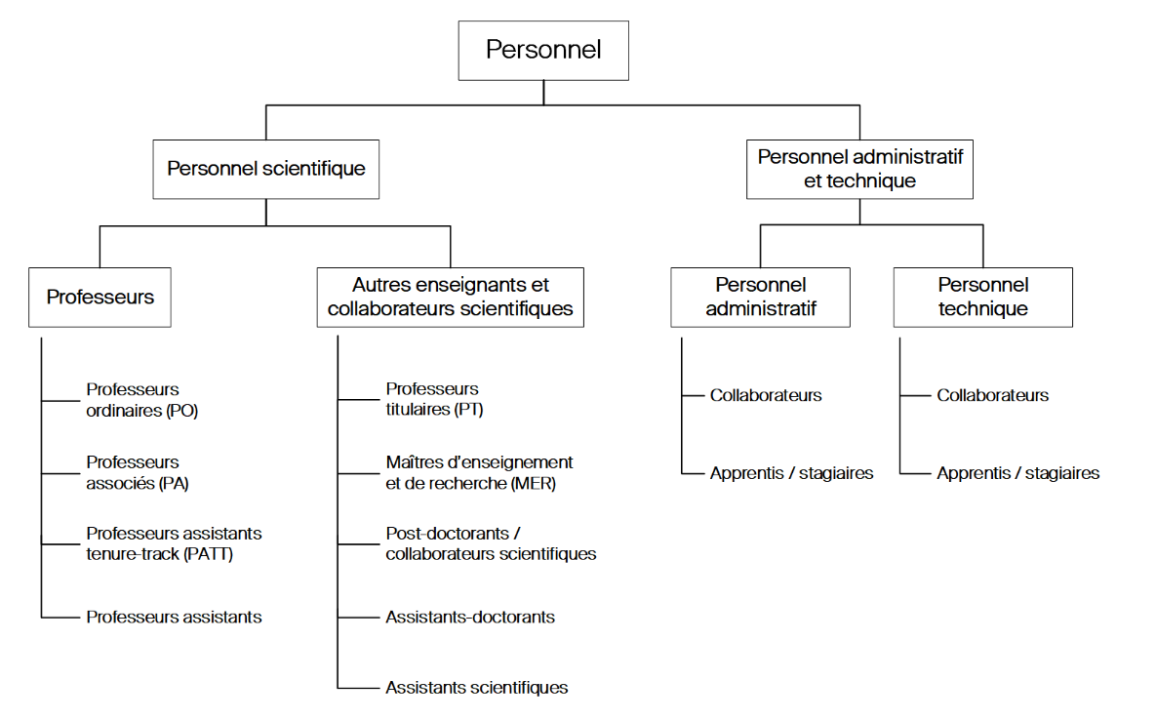
Annual Financial Reports | https://www.epfl.ch/about/overview/annual-report/
Institution Statistics | https://www.epfl.ch/about/facts/fr/statistiques-institutionnelles/

Important
*Administrative collaborator (without apprentices). Since 2013, IT professionals have been counted as administrative employees.
*Technical collaborator (without apprentices). Until 2012, IT professionals were counted as technical collaborators.

